Sheet1
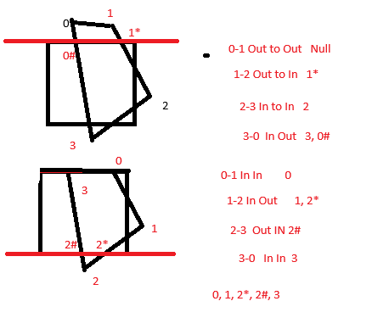
 | An OutCode is a 4 bit representation of a position relative to a given ViewPort
 | Typically UDLR where 1 represents outside and 0 represents inside the given edge.
 | U = m.s.b(1-y) (most significant bit is going to be 1 if number is negative.)

 | Both OutCodes must be 0000

 | If the logical AND of the 2 outcodes is not 0000 then trivially reject

(1.3, 0.9) |  | 0001
(1.5,-0.2) |  | 0001
 | AND | 0001
 | Triv Reject

(0.2,-0.5) |  | 0000
(0.4,0.8) |  | 0000
 | Both | Accept

(0,2) |  | 1000
(2,-4) |  | 0101
 | AND | 0000 |  | Work to Do

(0,2) has to be clipped to the Top Edge y=1
(2,-4) has to be clipped to either Bottom (y=-1) or Right (x=1)

Eqn of the line |  | m= | -3
 |  | y = mx + c |  | y-y1 = m(x-x1)
 |  |  |  | y - 2 = -3(x-0)
 |  |  |  | y = -3x + 2

(0,2) | (y = 1) |  |  | 1 = -3x +2
 |  |  |  | (1/3) = x
(0.3333 , 1)

(2,-4) | (x = 1) |  |  | y = -3(1) + 2
 |  |  |  | y = -1
 | (1,-1)
 |  | Done

 | A list of Vertices

 | Sutherland Hodgeman uses a "Divide and Conquer" approach where it
 | clips the polygon against one edge at a time.

 | For each line segment of the polygon v_i to v_j

 | Out to Out |  | Null
 | Out to IN |  | v_i*
 | In to Out |  | v_i to v_j*
 | In to In |  | v_i

